Sheet1
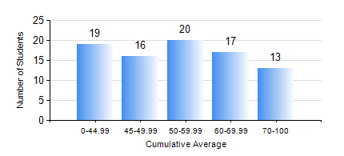
 |  |  | KWAME NKRUMAH UNIVERSITY OF SCIENCE AND TECHNOLOGY, KUMASI Department of Materials Engineering

 |  |  | BSC. MATERIALS ENG.

 |  |  | COMPREHENSIVE RECORD OF EXAMINATION RESULTS

 |  |  | RESULTS OF YEAR 1 FIRST SEMESTER, 2024/2025 ACADEMIC YEAR

 | Sn | Course Code |  | Course Name | Credit Hours | Min. Mark | Max. Mark | Avg. Mark | Std. Dev. | No. Passed | No. Trailed | No. (Df) | No. (I) | No. (I*) | No. Tagged(I,I*,Df) | Total
 | 1. | EE 151 |  | APPLIED ELECTRICITY | 3 | 20 | 87 | 54 | 14.18 | 79 | 6 | 0 | 0 | 0 | 0 | 85
 | 2. | ENGL 157 |  | COMMUNICATION SKILLS I | 2 | 40 | 84 | 63 | 9.72 | 84 | 0 | 0 | 1 | 0 | 1 | 85
 | 3. | MATH 151 |  | ALGEBRA | 4 | 21 | 92 | 55 | 16.74 | 75 | 10 | 0 | 0 | 0 | 0 | 85
 | 4. | ME 159 |  | TECHNICAL DRAWING | 2 | 27 | 86 | 55 | 11.96 | 80 | 5 | 0 | 0 | 0 | 0 | 85
 | 5. | ME 195 |  | ENGINEERING TECHNOLOGY I | 2 | 40 | 64 | 49 | 5.26 | 84 | 0 | 0 | 1 | 0 | 1 | 85
 | 6. | MSE 151 |  | INTRODUCTION TO THERMODYNAMICS OF MATERIALS | 2 | 6 | 90 | 56 | 18.6 | 68 | 16 | 0 | 1 | 0 | 1 | 85
 | 7. | MSE 153 |  | INTRODUCTION TO INFORMATION TECHNOLOGY | 1 | 30 | 85 | 62 | 13.22 | 84 | 1 | 0 | 0 | 0 | 0 | 85
 | 8. | MSE 155 |  | PRINCIPLES OF MATERIALS SCIENCE | 3 | 12 | 90 | 52 | 19.81 | 70 | 14 | 0 | 1 | 0 | 1 | 85

